waterfall (2)
 |  |  |  |  |  |  | 0 c 0 cdr to mat |  |  |  |  | CDI translates the structuring info
 |  |  |  |  |  |  | 15c 0 cdr
 |  |  |  |  |  |  | 27.5 C 4cdr 85 sev |  |  |  |  | DMS is a superset info of CDI. You can only change structure via DMS. You can run deal via CDI
 |  |  |  |  |  |  | 4 mon recovery leg |  |  |  |  | CDI is test, DMS is binary
 |  |  |  |  |  |  | 5% DQ 0 prin 0 int recovery
 |  |  |  |  |  |  | 5% CPR 50 CDR 95% sev ( senior taking loss)
 |  |  |  |  |  |  | 0 CDR but 90% DQ ( P has to Pay I, sub suffer loss w/o collat loss) to stress test int waterfall

1. when deal is settle? |  |  |  |  |  |  |  |  |  |  | 2025-06-22
2. what we do usually do as collat settle? Cut off exact deal settle, no trust collection. No extra cashflow. It belongs to the trust. |  |  |  |  |  |  |  |  |  |  | 2025-06-30
3. wta is usuall process to determin cutt off date. / 6/30 morning collect cut off loan tape to match deal size. Check wac, size, fico- go thru checks- make sure same to statistic tape- RA is need confirm assumption is still goof
4. first payment date. Shorter the delay , better for economics. |  |  |  |  | sofi selling bond at same yield, you get more money with less delay |  |  |  |  |  | money of deal exchange on 6/30, on 22, Sofi no longer collect money on loans.money goes to the trust. Sofi missed 8 days c
5. First accrual date hard wired
6. Firstaccrualdate = 33 if month is 5, total accrual days are (5-2)*30+33+15

COLLAT ZERO ACCRUED |  |  |  |  |  | 4.74 | 437,522,709.08 |  | 438,662,698.81 |  | 437,522,709.08 | -1,139,989.73
intex is RUNNING COLLAT on deal settlement ( everything run deal settlement) |  |  |  |  |  |  | 1,152,143.13
 |  |  | ELSE #30360Adj_SERVFEE |  | 2025-01-12

 |  |  |  |  |  |  | 478325
 |  |  |  |  |  |  | 2794
 |  |  |  |  |  |  | 481119

 |  |  |  |  |  |  | 478325.425529 2794.300737

 |  |  | return on our asset |  |  |  |  |  | 2023Q3 |  |  | vintgae level vector, run yueild , to px
 |  |  | origination vintages
 |  |  | pick a few, 2024 mid 2023 |  |  |  |  |  |  |  |  | term, loan
 |  |  | cpr? Cdr?recovery?
 |  |  | funding discount?
 |  |  | cashflow |  |  |  |  |  |  |  |  | add servcing to his cof
 |  |  | ROA for
 |  |  | XIRR | PRICE

 |  |  | TAKE Bunch of loans form Q2 Q3 |  | intex, maybe? |  | return on our asset.

 |  |  | funding cost- | building funding - discount rate |  |  | proceeds/
 |  |  |  |  |  |  |  |  |  |  |  | zero day accrued px
 |  |  | find some port - historical perf- |  | some tail n those realistic |  |  |  |  |  |  | pretend u just made the loan |  | so wam for 2yr is 24

 |  |  |  |  |  |  |  |  |  |  |  | model pt,

 |  |  | map loan level to the curve
 |  |  | pivot table on repline

 |  |  |  | when creidt guy decides loans coupon |  |  |  |  |  |  |  |  | 8
 |  |  |  | to make rate sheet | management case assumption /protion |  |  | have curve |  |  |  |  | 8 |  | Jan-23 | 3.910%
 |  |  |  | credit underqriting team |  |  |  |  |  |  |  |  | 8 |  | Feb-23 | 3.910%
 |  |  |  |  |  |  |  |  |  |  |  |  | 8 |  | Mar-23 | 3.910%
 |  |  |  |  |  |  |  |  |  |  |  |  | 8 |  | Apr-23 | 4.040%
 |  |  |  |  |  |  |  |  |  |  |  |  | 5 |  | May-23 | 4.040%
 |  |  |  |  |  |  |  |  |  |  |  |  | 5 |  | Jun-23 | 4.040%
 |  |  |  |  |  |  |  |  |  |  |  |  | 5 |  | Jul-23 | 4.340%
 |  |  |  |  |  |  |  |  |  |  |  |  | 5 |  | Aug-23 | 4.340%
 |  |  |  |  |  |  |  |  |  |  |  |  | 5 |  | Sep-23 | 4.340%
 |  |  |  |  |  |  |  |  |  |  |  |  | 5 |  | Oct-23 | 4.480%
 |  |  |  |  |  |  |  |  |  |  |  |  | 5 |  | Nov-23 | 4.480%
 |  |  |  | 655262.6329 |  |  |  |  |  |  |  |  | 5 |  | Dec-23 | 3.840%
 |  |  |  |  |  |  |  |  |  |  |  |  | 5 |  | Jan-24 | 4.390%
 |  |  |  |  |  |  |  |  |  |  |  |  | 2 |  | Feb-24 | 4.390%
 |  |  |  |  |  |  |  |  |  |  |  |  | 2 |  | Mar-24 | 4.390%
 |  |  |  |  |  |  | threshold | act | rebate | cum rebate | sub serv | withdrawal | 2 |  | Apr-24 | 4.210%
 | 0 |  | 15-Jun-25 | 0 | 0 | 268,209,739.45 | - | 0 | - |  |  | 0 | 2 |  | May-24 | 4.210%
 | 124,287.43 |  | 15-Jul-25 | 1 | 0 | 266,589,359.00 | - | 0.00 | - |  |  | 0 | 2 |  | Jun-24 | 4.210%
 | 926,651.01 |  | 15-Aug-25 | 2 | 0.04 | 254,605,241.31 | 107,283.90 | 0.00 | (107,283.90) |  |  | 0 | 1 |  | Jul-24 | 4.290%
 | 885,927.19 |  | 15-Sep-25 | 3 | 0.16 | 243,050,403.14 | 429,135.58 | 0.00 | (429,135.58) |  |  | 0 | 1 |  | Aug-24 | 4.290%
 | 846,611.83 |  | 15-Oct-25 | 4 | 0.34 | 231,910,815.02 | 911,913.11 | 0.00 | (911,913.11) |  |  | 0 | 1 |  | Sep-24 | 4.290%
 | 808,660.61 |  | 15-Nov-25 | 5 | 0.58 | 221,172,884.93 | 1,555,616.49 | 135,769.38 | (1,419,847.11) |  |  | 0 | 1 |  | Oct-24 | 3.840%
 | 772,030.52 |  | 15-Dec-25 | 6 | 0.95 | 210,823,445.04 | 2,547,992.52 | 1,147,975.29 | (1,400,017.24) |  |  | 0 | 1 |  | Nov-24 | 3.840%
 | 736,679.85 |  | 15-Jan-26 | 7 | 1.15 | 200,849,738.81 | 3,084,412.00 | 2,115,321.49 | (969,090.51) |  |  | 0 |  |  | Dec-24 | 3.380%
 | 702,568.14 |  | 15-Feb-26 | 8 | 1.45 | 191,239,408.54 | 3,889,041.22 | 3,039,380.00 | (849,661.23) |  |  | 0 |  |  | Jan-25 | 3.510%
 | 669,656.17 |  | 15-Mar-26 | 9 | 1.67 | 181,980,483.17 | 4,479,102.65 | 3,921,672.64 | (557,430.01) |  |  | 0.00 |  |  | Feb-25 | 3.510%
 | 637,905.86 |  | 15-Apr-26 | 10 | 1.91 | 173,061,366.62 | 5,122,806.02 | 4,763,672.60 | (359,133.43) |  |  | 0 |  |  | Mar-25 | 3.510%
 | 607,280.32 |  | 15-May-26 | 11 | 2.13 | 164,470,826.27 | 5,712,867.45 | 5,566,805.88 | (146,061.57) |  |  | 0 |  |  | Apr-25 | 3.390%
 | 577,743.74 |  | 15-Jun-26 | 12 | 2.5 | 156,197,982.00 | 6,705,243.49 | 6,332,452.77 | (372,790.72) |  |  | 0.00 |  |  | May-25 | 3.390%
 | 549,261.42 |  | 15-Jul-26 | 13 | 2.62 | 148,232,295.37 | 7,027,095.17 | 7,061,949.21 | 34,854.03 |  | 592,696.99 | 0.00 |  |  | Jun-25 | 3.390%
 | 521,799.68 |  | 15-Aug-26 | 14 | 2.811 | 140,563,559.25 | 7,539,375.78 | 7,756,588.15 | 217,212.38 |  | 562,864.80 | 0.00 |  |  | Jul-25 | 3.500%
 | 495,325.88 |  | 15-Sep-26 | 15 | 3.1 | 133,181,887.70 | 8,314,501.92 | 8,417,620.90 | 103,118.98 |  | 534,120.02 | 103,118.98 |  | 1,540,846.48 | Aug-25 | 3.500%
 | 469,808.36 |  | 15-Oct-26 | 16 | 3.215 | 126,077,706.15 | 8,622,943.12 | 9,046,258.35 | 423,315.23 |  | 506,427.31 | 0.00 |  | 0 | Sep-25 | 3.500%
 | 445,216.41 |  | 15-Nov-26 | 17 | 3.341 | 119,241,741.95 | 8,960,887.40 | 9,643,672.26 | 682,784.87 |  | 479,752.40 | 0.00 |  | 0 | Oct-25 | 3.380%
 | 421,520.28 |  | 15-Dec-26 | 18 | 3.468 | 112,665,015.09 | 9,301,513.76 | 10,210,996.42 | 909,482.65 | 1,997,977.42 | 454,062.09 | 737,110.80 | 840,229.78 | 737,110.80 | Nov-25 | 3.380%
 | 398,691.10 |  | 15-Jan-27 | 19 | 3.675 | 106,338,829.27 | 9,856,707.92 | 10,749,327.83 | 892,619.90 |  | 429,324.21 | 0 |  | 0 | Dec-25 | 3.380%
 | 376,700.88 |  | 15-Feb-27 | 20 | 3.802 | 100,254,763.24 | 10,197,334.29 | 11,259,727.84 | 1,062,393.54 |  | 405,507.55 | 0.00 |  | 0 | Jan-26 | 3.04%
 | 355,522.49 |  | 15-Mar-27 | 21 | 3.94 | 94,373,491.85 | 10,567,463.73 | 11,743,223.22 | 1,175,759.49 |  | 382,581.91 | 335,529.72 |  | 660,910.18 | Feb-26 | 3.04%
 | 335,018.96 |  | 15-Apr-27 | 22 | 3.997 | 88,145,274.39 | 10,720,343.29 | 12,200,807.28 | 1,480,463.99 |  | 360,401.37 | 0.00 |  | 0 | Mar-26 | 3.04%
 | 313,238.90 |  | 15-May-27 | 23 | 4.124 | 83,510,304.05 | 11,060,969.65 | 12,633,440.81 | 1,572,471.16 |  | 336,908.19 | 0.00 |  | 0 | Apr-26 | 2.96%
 | 297,080.42 |  | 15-Jun-27 | 24 | 4.262 | 79,048,058.05 | 11,431,099.10 | 13,042,053.18 | 1,610,954.09 |  | 319,358.29 | 435,194.60 |  | 503,494.13 | May-26 | 2.96%
 | 281,502.63 |  | 15-Jul-27 | 25 | 4.319 | 74,752,818.46 | 11,583,978.65 | 13,427,543.24 | 1,843,564.59 |  | 302,460.72 | 0.00 |  | 0 | Jun-26 | 2.96%
 | 266,487.06 |  | 15-Aug-27 | 26 | 4.388 | 70,619,046.24 | 11,769,043.37 | 13,790,660.36 | 2,021,616.99 |  | 286,194.19 | 0.00 |  | 0 | Jul-26 | 2.86%
 | 252,015.76 |  | 15-Sep-27 | 27 | 4.446 | 66,641,375.88 | 11,924,605.02 | 14,130,038.81 | 2,205,433.79 |  | 270,538.57 | 448,595.34 |  | 448,595.34 | Aug-26 | 2.86%
 | 238,071.33 |  | 15-Oct-27 | 28 | 4.51 | 62,814,610.10 | 12,096,259.25 | 14,451,785.30 | 2,355,526.06 |  | 255,483.44 | 0.00 |  | 0 | Sep-26 | 2.86%
 | 224,636.91 |  | 15-Nov-27 | 29 | 4.59 | 59,133,714.72 | 12,310,827.04 | 14,756,542.17 | 2,445,715.13 |  | 240,986.41 | 0.00 |  | 0 | Oct-26 | 2.85%
 | 211,696.13 |  | 15-Dec-27 | 30 | 4.66 | 55,593,813.74 | 12,498,573.86 | 15,044,930.98 | 2,546,357.12 |  | 227,029.33 | 400,313.27 |  | 400,313.27 | Nov-26 | 2.85%
 | 199,233.11 |  | 15-Jan-28 | 31 | 4.73 | 52,190,184.52 | 12,686,320.68 | 15,317,553.17 | 2,631,232.49 |  | 213,594.57 | 0.00 |  | 0 | Dec-26 | 2.85%
 | 187,232.47 |  | 15-Feb-28 | 32 | 4.79 | 48,918,253.09 | 12,847,246.52 | 15,574,990.69 | 2,727,744.17 |  | 200,665.07 | 0.00 |  | 0
 | 175,679.30 |  | 15-Mar-28 | 33 | 4.85 | 45,646,451.07 | 13,008,172.36 | 15,817,806.57 | 2,809,634.21 |  | 14,810.42 | 349,771.51 |  | 370,898.95
 | 164,102.03 |  | 15-Apr-28 | 34 | 4.91 | 42,622,803.33 | 13,169,098.21 | 16,046,545.51 | 2,877,447.31 |  |  | 0.00 |  | 0
 | 153,393.25 |  | 15-May-28 | 35 | 4.96 | 40,029,638.40 | 13,303,203.08 | 16,261,734.46 | 2,958,531.38 |  |  | 0.00 |  | 0
 | 144,212.60 |  | 15-Jun-28 | 36 | 5 | 37,536,239.39 | 13,410,486.97 | 16,463,883.11 | 3,053,396.14 |  |  | 243,761.93 |  | 283,799.17
 | 135,372.23 |  | 15-Jul-28 | 37 | 5 | 35,139,266.87 | 13,410,486.97 | 16,653,484.49 | 3,242,997.51 |  |  | 0.00 |  | 0
 | 126,861.20 |  | 15-Aug-28 | 38 | 5 | 32,835,486.35 | 13,410,486.97 | 16,830,522.33 | 3,420,035.35 |  |  | 0.00
 | 118,668.89 |  | 15-Sep-28 | 39 | 5 | 30,621,765.10 | 13,410,486.97 | 16,995,942.94 | 3,585,455.96 |  |  | 252,168.24
 | 110,785.00 |  | 15-Oct-28 | 40 | 5 | 28,495,069.03 | 13,410,486.97 | 17,151,402.63 | 3,740,915.66 |  |  | 0.00
 | 103,199.54 |  | 15-Nov-28 | 41 | 5 | 26,452,459.70 | 13,410,486.97 | 17,297,275.81 | 3,886,788.83 |  |  | 0.00
 | 95,902.82 |  | 15-Dec-28 | 42 | 5 | 24,491,091.42 | 13,410,486.97 | 17,433,924.63 | 4,023,437.66 |  |  | 224,077.48
 | 88,885.47 |  |  |  | 5 | 22,608,208.41 |  | 17,561,699.43 |  |  |  | 0
 | 82,138.37 |  |  |  | 5 | 20,801,142.07 |  | 17,680,939.02 |  |  |  | 0
 | 75,652.70 |  |  |  | 5 | 18,957,723.83 |  | 17,791,971.11 |  |  |  | 409,207.82
 | 69,020.92 |  |  |  | 5 | 17,253,431.20 |  | 17,895,112.60 |  |  |  | 0
 | 62,882.14 |  |  |  | 5 | 15,971,115.06 |  | 17,990,669.93 |  |  |  | 0
 | 58,269.91 |  |  |  | 5 | 14,739,876.33 |  | 18,078,939.41 |  |  |  | 75,948.14
 | 53,834.45 |  |  |  | 5 | 13,557,986.17 |  | 18,160,207.51 |  |  |  | 0
 | 49,570.00 |  |  |  |  | 12,423,770.25 |  | 18,234,322.77 |  |  |  | 0
 | 45,470.99 |  |  |  |  | 11,335,607.12 |  | 18,301,819.93 |  |  |  | 316,052.22
 | 41,532.02 |  |  |  |  | 10,291,926.62 |  | 18,364,342.06 |  |  |  | 0
 | 37,747.86 |  |  |  |  | 9,291,208.29 |  | 18,422,082.61 |  |  |  | 0
 | 34,113.41 |  |  |  |  | 8,331,979.89 |  | 18,475,228.63 |  |  |  | 30,371.50
 |  |  |  |  |  | 7,412,815.88 |  | 18,523,961.00 |  |  |  | 0
 |  |  |  |  |  | 6,532,336.03 |  | 18,568,454.59
 |  |  |  |  |  |  |  | 18,608,878.46
 |  |  |  |  |  |  |  | 18,645,396.03
 |  |  |  |  |  |  |  | 18,678,165.28
 |  |  |  |  |  |  |  | 18,707,338.88
 |  |  |  |  |  |  |  | 18,733,064.38
 |  |  |  |  |  |  |  | 18,755,484.36
 |  |  |  |  |  |  |  | 18,773,144.27
 |  |  |  |  |  |  |  | 18,789,602.49
 |  |  |  |  |  |  |  | 18,819,092.93
 |  |  |  |  |  |  |  | 18,832,211.08
 |  |  |  |  |  |  |  | 18,844,299.52
 | mon 13 | accum loss | 7,061,949.21 | 0.026329950659 | 194,203.60 |  |  | 18,855,397.80
 |  |  |  |  |  |  |  | 18,865,544.22
 |  |  |  |  |  |  |  | 18,874,775.83
 |  |  |  |  |  |  |  | 18,883,128.45

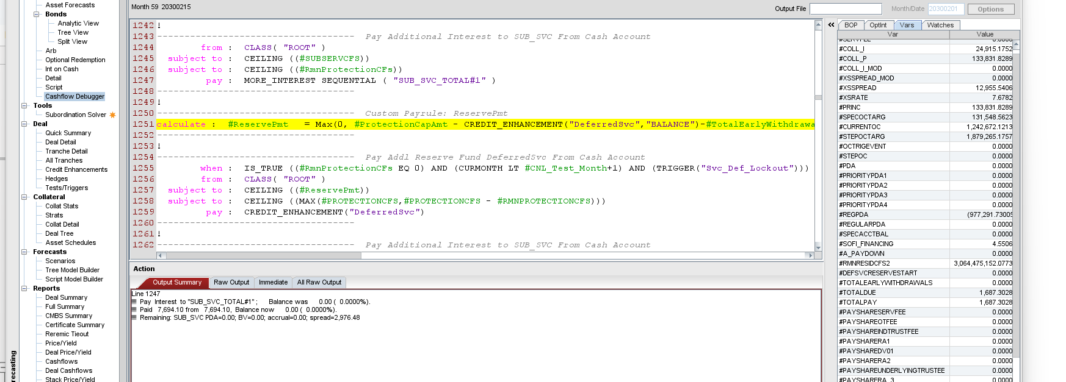

 | #AccumSubSvc = Max((#SubServCFs ) + #AccumSubSvc - INTPMT("SUB_SVC") | 0)

 |  |  |  | losspts | threshold |  |  |  |  | rebate
 |  |  |  |  |  |  | rebate
 | 0 | 268,209,739.45 |  | 0 | 0 | 0 | - | 491,717.86
 | 1 | 263,775,010.28 | 491,717.86 | 0 | 0 | 0 | - | 483,587.52
 | 2 | 259,308,710.21 | 483,587.52 | 0 | 0 | 0 | - | 475,399.30
 | 3 | 254,810,590.20 | 475,399.30 | 0 | 0 | 0 | - | 467,152.75
 | 4 | 250,280,399.08 | 467,152.75 | 0 | 0 | 0 | - | 100,519.19
 | 5 | 245,075,462.20 | 458,847.40 | 0.2036 | 0.07 | 0.1336 | 358,328.21 | (95,965.39)
 | 6 | 239,850,106.28 | 449,305.01 | 0.4033 | 0.2 | 0.2033 | 545,270.40 | (175,011.53)
 | 7 | 234,604,120.12 | 439,725.19 | 0.5992 | 0.37 | 0.2292 | 614,736.72 | (109,530.44) |  | 306,199.53 | 440886.13144 | 134,686.60 | 134,686.60 | 240,483,344.42
 | 8 | 229,337,290.78 | 430,107.55 | 0.7912 | 0.59 | 0.2012 | 539,638.00 | 73,656.51 |  | 760,705.56 | 431575.95285 |  | -329,129.61 | 235,405,065.19
 | 9 | 224,049,403.57 | 420,451.70 | 0.9793 | 0.85 | 0.1293 | 346,795.19 | 240,444.06
 | 10 | 218,740,242.06 | 410,757.24 | 1.1635 | 1.1 | 0.0635 | 170,313.18 | 364,279.04
 | 11 | 213,409,588.00 | 401,023.78 | 1.3437 | 1.33 | 0.0137 | 36,744.73 | 498,534.81
 | 12 | 208,057,221.37 | 391,250.91 | 1.52 | 1.56 | -0.04 | (107,283.90) | 208,398.97
 | 13 | 202,682,920.33 |  | 1.6923 | 1.77 | -0.0777 | (208,398.97) | 293,153.25
 | 14 | 197,286,461.20 |  | 1.8607 | 1.97 | -0.1093 | (293,153.25) | 361,814.94
 | 15 | 191,867,618.46 |  | 2.0251 | 2.16 | -0.1349 | (361,814.94) | 414,652.26
 | 16 | 186,426,164.71 |  | 2.1854 | 2.34 | -0.1546 | (414,652.26) | 451,128.78
 | 17 | 180,961,870.67 |  | 2.3418 | 2.51 | -0.1682 | (451,128.78) | 498,601.91
 | 18 | 175,474,505.18 |  | 2.4941 | 2.68 | -0.1859 | (498,601.91) | 503,429.68
 | 19 | 169,963,835.11 |  | 2.6423 | 2.83 | -0.1877 | (503,429.68) | 492,164.87
 | 20 | 164,429,625.45 |  | 2.7865 | 2.97 | -0.1835 | (492,164.87) | 491,896.66
 |  |  |  | 2.9266 | 3.11 | -0.1834 | (491,896.66) | -
 |  |  |  | 3.0625 |  |  |  | -
 |  |  |  | 3.1944
 | #OrigCollBal*0.01*MIN( #ProtectionPts,(Max(0, #LOSSPT-#CNL_Threshold |  |  | 3.3221
 |  |  |  | 3.4456

 |  |  |  |  | 3.55 | 3.59
 |  |  |  |  | 3.3036 | 3.3436
 |  |  |  |  | 3.2546 | 3.2946
 |  |  |  |  | 3.2115 | 3.2515
 |  |  |  |  | 3.1746 | 3.2146
 |  |  |  |  | 3.1441 | 3.1841
 |  |  |  |  | 3.1186 | 3.1586
 |  |  |  |  | 3.098 | 3.138
 |  |  |  |  | 3.0794 | 3.1194
 |  |  |  |  | 3.0639 | 3.1039
 |  |  |  |  | 3.0495 | 3.0895
 |  |  |  |  | 3.0405 | 3.0805
 |  |  |  |  | 3.0345 | 3.0745
 |  |  |  |  | 3.03 | 3.07
 |  |  |  |  | 3.0356 | 3.0756
 |  |  |  |  | 3.0437 | 3.0837
 |  |  |  |  | 3.0517 | 3.0917
 |  |  |  |  | 3.0599 | 3.0999
 |  |  |  |  | 3.0681 | 3.1081
 |  |  |  |  | 3.0755 | 3.1155
 |  |  |  |  | 3.0859 | 3.1259
 |  |  |  |  | 3.0965 | 3.1365
 |  |  |  |  | 3.1074 | 3.1474
 |  |  |  |  | 3.118 | 3.158
 |  |  |  |  | 3.129 | 3.169
 |  |  |  |  | 3.1399 | 3.1799
 |  |  |  |  | 3.152 | 3.192
 |  |  |  |  | 3.1646 | 3.2046
 |  |  |  |  | 3.1769 | 3.2169
 |  |  |  |  | 3.1896 | 3.2296
 |  |  |  |  | 3.2022 | 3.2422
 |  |  |  |  | 3.2139 | 3.2539
 |  |  |  |  | 3.2265 | 3.2665
 |  |  |  |  | 3.2388 | 3.2788
 |  |  |  |  | 3.2515 | 3.2915
 |  |  |  |  | 3.2638 | 3.3038
 |  |  |  |  | 3.2764 | 3.3164
 |  |  |  |  | 3.2891 | 3.3291
 |  |  |  |  | 3.3029 | 3.3429
 |  |  |  |  | 3.317 | 3.357
 |  |  |  |  | 3.3307 | 3.3707
 |  |  |  |  | 3.3448 | 3.3848
 |  |  |  |  | 3.3589 | 3.3989
 |  |  |  |  | 3.3717 | 3.4117
 |  |  |  |  | 3.3858 | 3.4258
 |  |  |  |  | 3.3995 | 3.4395
 |  |  |  |  | 3.4136 | 3.4536
 |  |  |  |  | 3.4273 | 3.4673
 |  |  |  |  | 3.4414 | 3.4814
 |  |  |  |  | 3.4555 | 3.4955
 |  |  |  |  | 3.4698 | 3.5098
 |  |  |  |  | 3.4844 | 3.5244
 |  |  |  |  | 3.4986 | 3.5386
 |  |  |  |  | 3.5132 | 3.5532
 |  |  |  |  | 3.5278 | 3.5678
 |  |  |  |  | 3.5413 | 3.5813
 |  |  |  |  | 3.5559 | 3.5959
 |  |  |  |  | 3.5701 | 3.6101
 |  |  |  |  | 3.5847 | 3.6247
 |  |  |  |  | 3.5988 | 3.6388

achv243 prorata
 |  |  |  |  |  |  |  |  |  |  | 6756 |  |  |  |  | wrte down = default times sev
PREV_BBAL("A1") | 616,993,522.25 |  |  | 53,074,713.43 |  | #TARGETOCAMT_A = 143,942,956.8 |  |  |  |  | ---- #TARGETNOTEBAL_A = 45,830,222.9 |  |  | 53074712
collat bal*0.85 | 585,113,607.26 | - |  | 45,830,222.89 |  |  |  |  |  |  | ---- #TARGETNOTEBAL_B = 24,860,286.5
tgt oc | 48,185,826.48 | + |  | 23,721,647.46 |  | #TARGETOCAMT_B = 119,082,670.2 |  |  |  |  | ---- #TARGETNOTEBAL_C = 14,707,421.4

 | 80,065,741.47 |  | #A_TGT_PRIN_LIM | 30,966,138.00 |  | ---- #TARGETOCAMT_C = 104,375,248.8
 |  |  | #B_TGT_PRIN_LIM = 12,727,713.5
 |  |  | ---- #C_TGT_PRIN_LIM = 8,847,578.6

65,654,000.00 | 186536000 | 0.35196423211
 |  |  | prin payment | 1 | sch prin
 |  |  |  | 2 | voluntary prepay | smmXsch bal
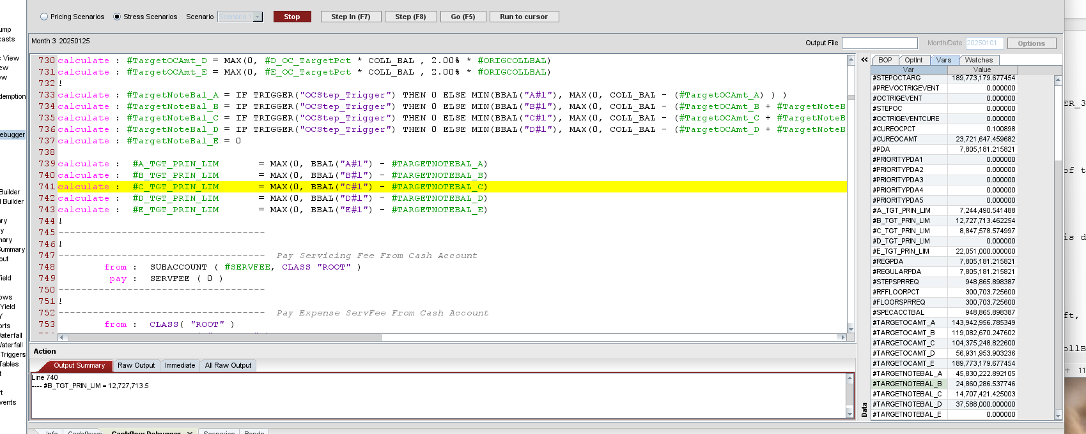
 |  |  | total recovery | 3 | loss | MDRXsch bal X (1-sev)

calculate : #TargetNoteBal_A = IF TRIGGER("OCStep_Trigger") THEN 0 ELSE MIN(BBAL("A#1"), MAX(0, COLL_BAL - (#TargetOCAmt_A) ) )
calculate : #TargetNoteBal_B = IF TRIGGER("OCStep_Trigger") THEN 0 ELSE MIN(BBAL("B#1"), MAX(0, COLL_BAL - (#TargetOCAmt_B + #TargetNoteBal_A) ) )
calculate : #TargetNoteBal_C = IF TRIGGER("OCStep_Trigger") THEN 0 ELSE MIN(BBAL("C#1"), MAX(0, COLL_BAL - (#TargetOCAmt_C + #TargetNoteBal_A + #TargetNoteBal_B) ) )

calculate : #A_TGT_PRIN_LIM = MAX(0, BBAL("A#1") - #TARGETNOTEBAL_A)

First define

collat oct | #A_TGT_OC
718,408,871.00 | 93,393,153.23 | 0.13 | 14.557 | 104,578,779.35 | oc
625,015,717.77 | note bal

each loan has CE | one loan as if whole deal is this loan |  |  | 1000 defered loan |  |  | static loss |  | 20 | 40%
 |  |  |  |  |  |  |  |  | 7 | 10%

 |  |  |  |  |  |  |  |  |  |  | WA CE by outlane
 |  |  |  |  |  | 10k
 |  |  |  |  |  | ra has model rto run each loan |  |  |  | 10 pct losss | 1 k loss
 |  |  |  |  |  |  |  |  |  | 5 cpt loss | 1 k loss

 |  |  |  |  |  |  |  |  |  | sum up loss dollar amt, |  | whole CE / static loss

 |  |  |  |  |  |  |  |  |  | static loss asumption= |  | cut, mark deal to market
 |  |  |  |  |  |  |  |  |  | WA loss |  | loan roll up

 |  |  |  |  |  |  |  |  |  | loss multiple

 |  | EACH TRANCH HAS diff rating |  |  |  |  |  |  |  | 5.25%'

 |  |  |  |  |  |  |  |  |  | grid
 |  | we are exploring sec, what model can I have so that I can get a feel what the trauch is? |  |  |  |  |  |  |  | 20 | 1 |  | 700 fico
 |  |  |  |  |  |  |  |  |  | 30 | 1.2X |  | 2x

 |  | FICO | SIGNER/CO | TERM | STATUS ( INSC) | loan size | payment option |  |  |  | each |  | ltv | 72 | 2
 | 5 | 780 | co signer | 10yr | out | 30,000 | repayment
 |  | 750
 |  | 725

 |  |  |  |  |  |  |  |  |  | Defaults For the trust student loans, Morningstar DBRS derived a base-case cumulative default expectation primarily based on an analysis of historical static pool default data. Morningstar DBRS used static pool default data from SMB’s Smart Option loan program. The static pool default data was segregated by loan type, school type, co-signer status, and FICO bucket. Morningstar DBRS analyzed this data to determine a cumulative default estimate for each of the aforementioned distinct components of the proposed securitization pool and then developed a seasoning adjusted WA default expectation based upon the relative contribution of each segment. The Morningstar DBRS analysis of the trust student loans results in a base-case cumulative default rate expectation for SMB 2025-B of 9.10%. The resulting stress level default rates are 29.600% for AAA (sf), 22.750% for AA (sf), 18.200% for A (sf), and 15.950% for BBB (sf). This represents a multiple of approximately 3.25x for AAA (sf), 2.50x for AA (sf), 2.00x for A (sf), and 1.75x for BBB (sf) of the Morningstar DBRS base-case cumulative default rate expectation for the SMB 2025-B pool.
 |  |  |  |  |  |  | GCL | Multiple
 | DBRS loan level loss grid | loan type | school type | co-signer | fico | SMB 2025-B | 9.10%
 | 5% | IO | 4-yr | co-signer | 745 |  |  |  |  |  | FIRS P
 | 6% | IO | 4-yr | X | 745 | AAA | 29.60% | 3.25 |  |  | SECOND PRO
 | 7% | fully defered | 4-yr | co-signer | 725 | aa | 22.75% | 2.50
 | 6% | fixed amt | 4-yr | co-signer | 725 | A | 18.20% | 2.00
 | 5% | repayment | 4-yr | co-signer | 725 | BBB | 15.96% | 1.75 |  |  | OC FLOOR | BUILD oc
 | 4% | repayment | 4-yr | co-signer | 750
 | 5% | repayment | 2-yr | co-signer | 750
 |  |  |  |  |  |  | recovery
 |  |  |  |  |  | AAA | 15%
 |  |  |  |  |  | aa | 17%
 |  |  |  |  |  | A | 20%
 |  |  |  |  |  | BBB | 20%

legal payrule
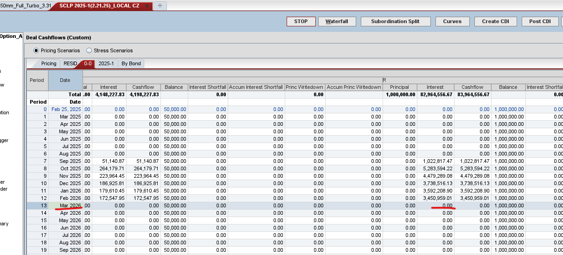
 |  |  |  | “Class B Target Note Balance” means, as of any Distribution Date, an amount equal to (a) when it is a Scheduled Amortization Distribution Date or an Amortization Event is in effect, zero, or (b) otherwise, an amount equal to the lesser of (1) the Class B Note Balance as of the prior Distribution Date and (2) the greater of (i) zero and (ii) (x) the Collateral Balance as of the last day of the related Collection Period minus (y) the Class B Target Overcollateralization Amount minus (z) the C

 |  |  |  | Class B Target Overcollateralization Amount | Class B Target Overcollateralization Amount” means as of any Distribution Date that is not a Scheduled Amortization Distribution Date or when an Amortization Event is not in effect, an amount equal to the product of 52.55% and the Collateral Balance as

 | Original Term | % of Pool
 | 24 | 10.66% | 36
 | 36 | 10.31% | 30
 | 48 | 19.18% | 30
 | 60 | 39.52% | 23
 | 72 | 5.41% | 23
 | 84 | 14.92% | 21

 |  |  | 26.1517

turbo trigger

modeling language
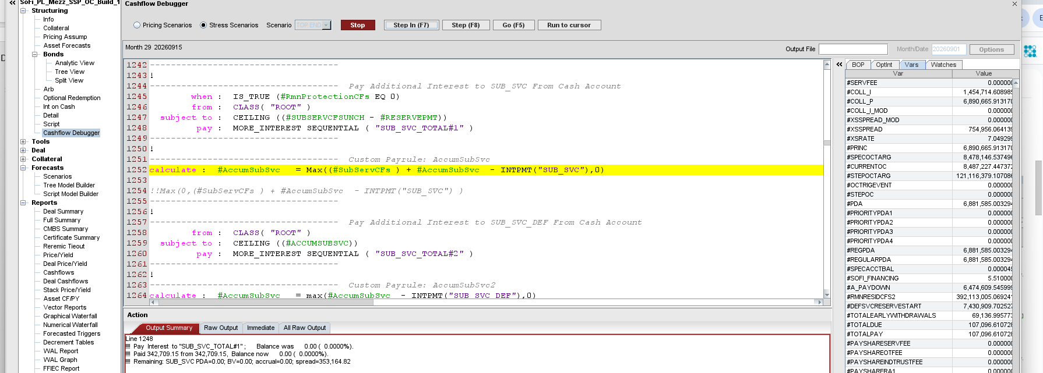
TRIGGER ("Bal_Test") | =0 MEANS BAL Test trigger past, returN ZERO
TRIGGER("OC_THRESHOLD") | =1 MEANS BAL TEST trigger failed, return 1- trigger gets breached

 |  | 79,276.48 | 18%
 |  | 67,915.82
 |  | 147,192.30 | 0.11363636364

 |  | 6.18
 |  | 5.6666666667
 |  | 7.3666666667
 |  | 13.546666667

ramps
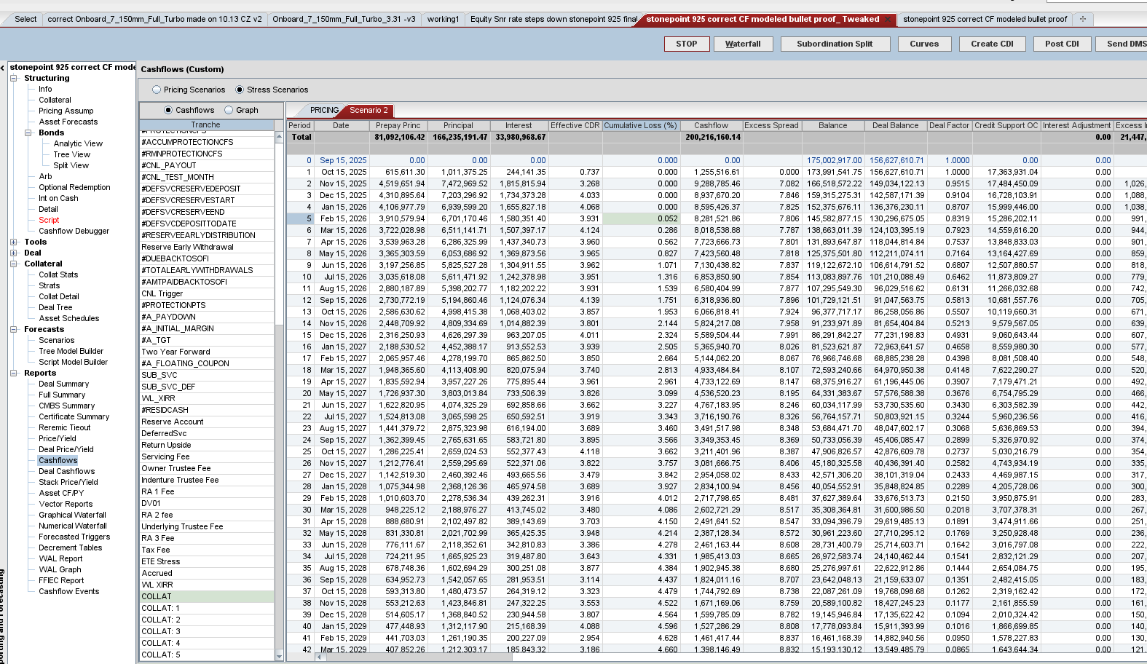
 |  |  |  | 1,647,187.50
 |  |  |  |  |  |  |  |  |  |  |  | checked, first mon not full loss
 |  | 5.01 |  | 21,477,542.13 |  | 175000000
backloaded | fron loaded | new new ramp |  | 22,951,864.46 |  | 8,767,797.73
 |  |  |  | 1,474,322.33 |  | 0.050101701314
3.6990739815 | 29.592591852 | 7.398147963 | 0.014766762401
2.200044001 | 17.600352008 | 4.400088002 | 0.023549373184
2.600052001 | 20.800416008 | 5.200104002
2.500050001 | 10.000200004 | 5.000100002
2.300046001 | 9.200184004 | 4.600092002
2.300046001 | 9.200184004 | 4.600092002
2.100042001 | 0.2 | 4.200084002
2.000040001 | 0.2 | 4.000080002
13.300266007 | 0.2 | 3.800076002
10.800216003 | 0.2 | 3.600072001
10.200204003 | 0.2 | 3.400068001
10.200204003 | 0.2 | 3.400068001
9.000180003 | 0.2 | 3.000060001
8.400168003 | 0.2 | 2.800056001
8.400168003 | 0.2 | 2.800056001
7.800156003 | 0.2 | 2.600052001
0.5 | 0.2 | 2.400048001
0.5 | 0.2 | 2.200044001
0.5 | 0.2 | 2.200044001
0.5 | 0.2 | 2.000040001
0.5 | 0.2 | 1.800036001
0.5 | 0.2 | 1.800036001
0.5 | 0.2 | 1.600032001
 |  | 1.600032001
 |  | 1.600032001
 |  | 1.400028001
 |  | 1.200024
 |  | 1.200024
 |  | 1.200024
 |  | 1.00002
 |  | 1.00002 |  |  |  |  |  |  |  | front loaded
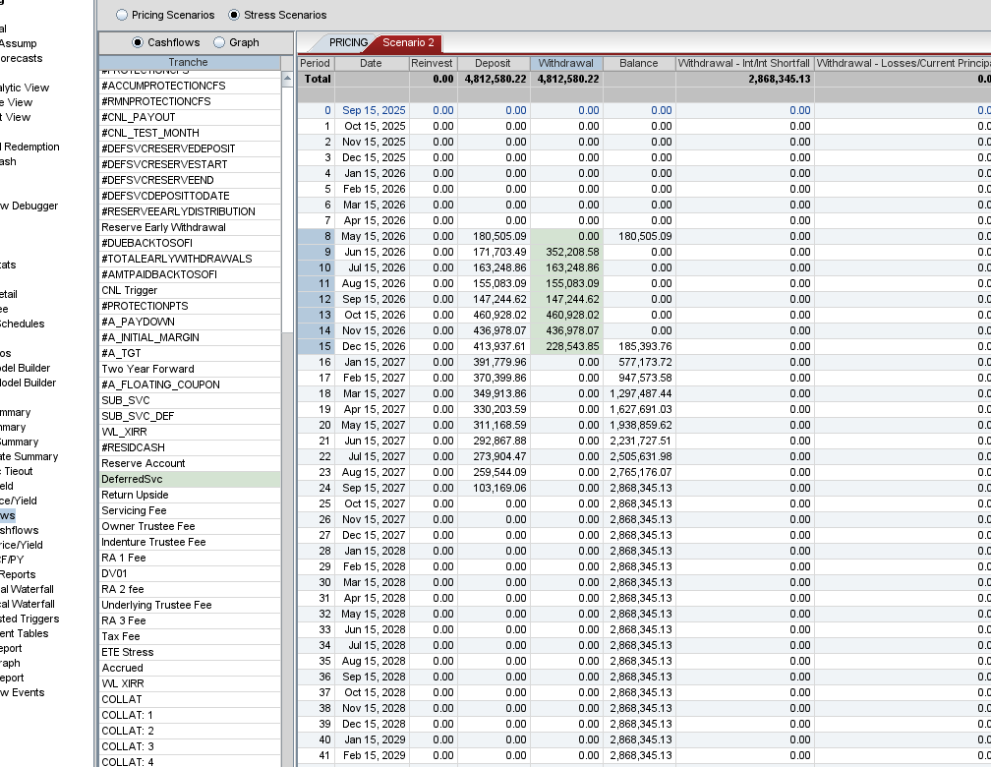
 |  | 1.00002 |  |  |  |  |  |  |  | resid | 14.31
 |  | 0.800016
 |  | 0.800016
 |  | 0.800016 |  |  |  | select servicing_asof_date, commonline_id, owner, owner_begin_date, principal_balance, interest_accrued, current_payment_amount, servicer_name from tdm_collateral.cleansed.sl_servicing_unified_daily where left(owner,6) = 351100 and servicing_asof_date = '2025-07-31'
 |  | 0.600012
 |  | 0.600012
 |  | 0.600012
 |  | 0.600012
 |  | 0.600012
 |  | 0.400008
 |  | 0.400008
 |  | 0.400008
 |  | 0.400008
 |  | 0.200004
 |  | 0.400008
 |  | 0.200004
 |  | 0.200004
 |  | 0.200004
 |  | 0.400008 |  | Hello, why is the the deposit in the DeferredSvc reserve account does not equal to #PROTECTIONCFS ? It's meant to pay from Cash account to the DeferredSvc ceiling by
 |  | 0
 |  | 0.200004
 |  | 0.200004
 |  | 0.400008
 |  | 0 |  |  |  |  |  |  | mon
 |  | 0.200004 |  | correct |  |  | 97,067,674.45 | 445,702.41 | 14
 |  | 0.200004 |  | 445,702.41 | 83,488.27 |  | 91,287,518.68 | 419,161.86 | 15
 |  | 0.200004 |  | 419,161.86 | 174,255.36 |  | 85,777,161.48 | 393,860.13 | 16 | backloaded
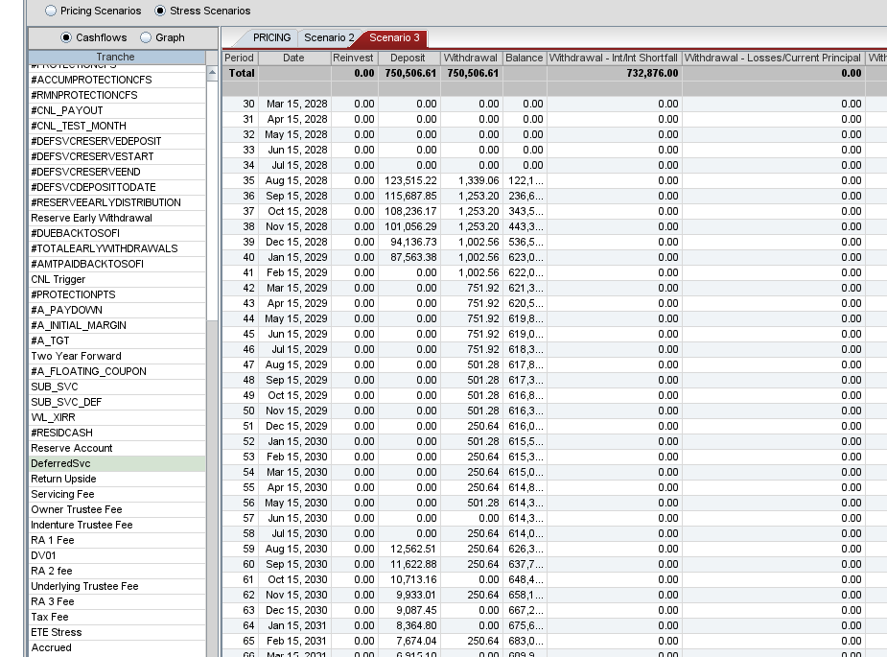
 |  | 0 |  | 393,860.13 | 228,591.15 |  | 80,465,320.40 | 369,469.93 | 17 |  | 14.39
 |  | 0.200004 |  | 369,469.93 | 238,523.77 |  | 75,451,846.23 | 346,449.73 | 18
 |  | 0 |  | 346,449.73 | 201,913.48 |  | 70,647,279.52 | 324,388.76 | 19
 |  | 0 |  | 324,388.76 | 214,240.18 |  | 65,983,279.94 | 302,973.23 | 20
 |  | 0.200004 |  | 302,973.23 | 282,477.12 |  | 61,519,518.05 | 282,477.12 | 21
 |  | 0.200004 |  | 282,477.12 | 264,256.66 |  | 57,551,360.66 | 264,256.66 | 22
 |  | 0 |  | 264,256.66 | 250,469.12 |  | 54,548,627.86 | 250,469.12 | 23
 |  | 0 |  | 250,469.12 | 237,488.63 |  | 51,721,660.91 | 237,488.63 | 24
 |  | 0 |  | 237,488.63 | 224,943.67 |  | 48,989,546.76 | 224,943.67 | 25
 |  | 0 |  | 224,943.67 | 213,090.20 |  | 46,408,029.01 | 213,090.20 | 26
 |  | 0.200004 |  | 213,090.20 |  |  | 43,915,712.12 | 201,646.31 | 27
 |  | 0 |  | 201,646.31 |  |  | 41,509,890.62 | 190,599.58 | 28
 |  | 0 |  | 190,599.58 |  |  | 39,187,936.40 | 179,937.94 | 29
 |  | 0 |  | 179,937.94 |  |  | 36,947,296.61 | 169,649.67 | 30
 |  | 0 |  |  |  |  | 34,785,491.53 | 159,723.38 | 31
 |  | 0 |  |  |  |  | 32,700,112.52 | 150,148.02 | 32
 |  | 0 |  |  |  |  | 30,688,820.13 | 140,912.83 | 33
 |  | 0 |  |  |  |  | 28,573,461.73 | 131,199.81 | 34
 |  | 0 |  |  |  |  |  | -
 |  | 0
 |  | 0
 |  | 0
 |  | 0
 |  | 0
 |  | 0
 |  | 0
 |  | 0
 |  | 0
 |  | 0
 |  | 0
 |  | 0

 |  | extra channel | loan buyer let them

Ob term
CNL threshold
 |  |  |  |  |  |  |  |  |  |  |  | find out if there's ever |  |  |  |  |  | 0.00% | 0.00% | 0.00% | 0.01% | 0.01% | 0.16% | 0.35% | 0.56%
 |  |  |  |  |  |  |  |  |  |  |  |  |  |  |  |  |  | 0.00% | 0.00% | 0.00% | 0.01% | 0.01% | 0.16% | 0.35% | 0.56% | 0.85% | 1.26% | 1.55% | 1.87% | 2.25% | 2.61% | 2.95% | 3.29% | 3.60% | 3.90% | 4.18% | 4.45% | 4.70% | 4.93% | 5.14% | 5.33% | 5.51% | 5.68% | 5.83% | 5.97% | 6.10% | 6.22% | 6.33% | 6.43% | 6.51% | 6.60% | 6.67% | 6.73% | 6.79% | 6.84% | 6.89% | 6.94% | 6.98% | 7.01% | 7.04% | 7.07% | 7.10% | 7.12% | 7.14% | 7.16% | 7.17% | 7.19% | 7.20% | 7.21% | 7.22% | 7.23% | 7.24% | 7.25% | 7.25% | 7.26% | 7.26% | 7.26% | 7.26% | 7.27% | 7.27% | 7.27% | 7.27% | 7.27% | 7.27% | 7.28% | 7.28% | 7.28% | 7.28% | 7.28% | 7.28% | 7.28% | 7.28% | 7.28% | 7.28% | 7.28% | 7.28% | 7.28% | 7.28% | 7.28% | 7.28% | 7.28%

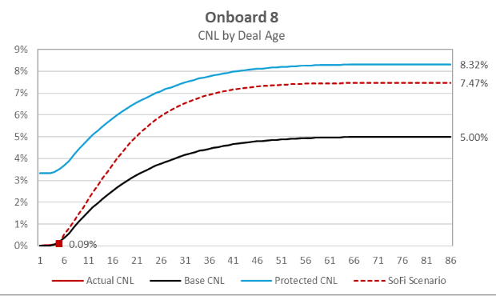
 |  |  |  |  |  |  | 0.71428571429
 |  |  |  |  |  |  |  |  |  |  |  |  |  |  |  |  |  | 0.00% | 0.050% | 0.050% | 0.070% | 0.090% | 0.360% | 0.730% | 1.020% | 1.530% | 1.870% | 2.200% | 2.530% | 2.860% | 3.180% | 3.490% | 3.790% | 4.070% | 4.340% | 4.600% | 4.840% | 5.070% | 5.280% | 5.470% | 5.650% | 5.810% | 5.970% | 6.110% | 6.240% | 6.360% | 6.460% | 6.560% | 6.650% | 6.740% | 6.810% | 6.880% | 6.940% | 7.000% | 7.050% | 7.090% | 7.130% | 7.170% | 7.200% | 7.230% | 7.260% | 7.290% | 7.310% | 7.330% | 7.340% | 7.360% | 7.370% | 7.380% | 7.400% | 7.410% | 7.410% | 7.420% | 7.430% | 7.440% | 7.440% | 7.440% | 7.450% | 7.450% | 7.450% | 7.450% | 7.450% | 7.460% | 7.460% | 7.460% | 7.460% | 7.460% | 7.460% | 7.460% | 7.460% | 7.460% | 7.460% | 7.460% | 7.460% | 7.460% | 7.470% | 7.470% | 7.470% | 7.470% | 7.470% | 7.47% | 7.47%
dates | collection | Trigger | OB7 Actual | Trigger - Actual | OB8 Actual | Trigger - Actual |  | proposed trigger |  | OB7 and OB8 blend | trigger over perf |  | Trigger timing curve |  |  |  |  | 0.00%
15-Jan-26 | 1 | 0 | 0.0000 | 0 | 0.020 | -0.0200 |  | 0.014 |  | 0.0100 | 0% |  | 0 |  |  |  |  | 0.00% |  |  |  | 0.02% | 0.05% | 0.05% | 0.07% | 0.09%
15-Feb-26 | 2 | 0 | 0.0000 | 0 | 0.050 | -0.0500 |  | 0.036 |  | 0.0250 | 0% |  | 0 |  |  |  |  | 0.01% |  |  |  | 0.02% | 0.05% | 0.05% | 0.07% | 0.09% | 0.36% | 0.73% | 1.02% | 1.53% | 1.87% | 2.20% | 2.53% | 2.86% | 3.18% | 3.49% | 3.79% | 4.07% | 4.34% | 4.60% | 4.84% | 5.07% | 5.28% | 5.47% | 5.65% | 5.81% | 5.97% | 6.11% | 6.24% | 6.36% | 6.46% | 6.56% | 6.65% | 6.74% | 6.81% | 6.88% | 6.94% | 7.00% | 7.05% | 7.09% | 7.13% | 7.17% | 7.20% | 7.23% | 7.26% | 7.29% | 7.31% | 7.33% | 7.34% | 7.36% | 7.37% | 7.38% | 7.40% | 7.41% | 7.41% | 7.42% | 7.43% | 7.44% | 7.44% | 7.44% | 7.45% | 7.45% | 7.45% | 7.45% | 7.45% | 7.46% | 7.46% | 7.46% | 7.46% | 7.46% | 7.46% | 7.46% | 7.46% | 7.46% | 7.46% | 7.46% | 7.46% | 7.46% | 7.47% | 7.47% | 7.47% | 7.47% | 7.47% | 7.47% | 7.47%
15-Mar-26 | 3 | 0 | 0.0000 | 0 | 0.050 | -0.0500 |  | 0.036 |  | 0.0250 | 0% |  | 0 |  |  |  |  | 0.01%
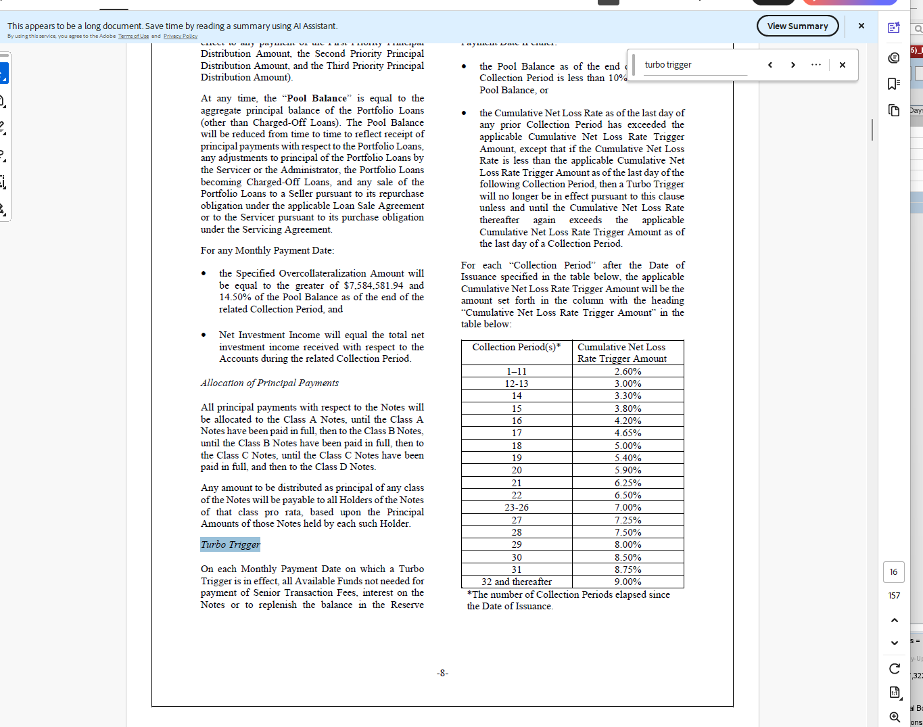
15-Apr-26 | 4 | 0 | 0.0100 | -0.0100 | 0.070 | -0.0700 |  | 0.050 |  | 0.0400 | 0% |  | 1.4 |  |  |  |  | 0.16% |  |  |  | 0.02%
15-May-26 | 5 | 0.07 | 0.0100 | 0.06 | 0.090 | -0.0200 |  | 0.064 | 0.91836734694 | 0.0500 | 140% |  | 2.6 |  |  |  |  | 0.35% |  |  |  | 0.05%
15-Jun-26 | 6 | 0.2 | 0.1600 | 0.04 | 0.360 | -0.1600 |  | 0.257 | 1.2857142857 | 0.2600 | 77% |  | 3.4 |  |  |  |  | 0.56% |  |  |  | 0.05%
15-Jul-26 | 7 | 0.37 | 0.3500 | 0.02 | 0.730 | -0.3600 |  | 0.521 | 1.4092664093 | 0.5400 | 69% |  | 4.4 |  |  |  |  | 0.85% |  |  |  | 0.07%
15-Aug-26 | 8 | 0.59 | 0.5600 | 0.03 | 1.020 | -0.4300 |  | 0.729 | 1.2348668281 | 0.7900 | 75% |  | 5.2 |  |  |  |  | 1.26% |  |  |  | 0.09%
15-Sep-26 | 9 | 0.85 | 0.8500 | 0.00 | 1.530 | -0.6800 |  | 1.093 | 1.2857142857 | 1.1900 | 71% |  | 5 |  |  |  |  | 1.55% |  |  |  | 0.36%
15-Oct-26 | 10 | 1.1 | 1.2600 | -0.16 | 1.870 | -0.7700 |  | 1.336 | 1.2142857143 | 1.5650 | 70% |  | 4.6 |  |  |  |  | 1.87% |  |  |  | 0.73%
15-Nov-26 | 11 | 1.33 | 1.5500 | -0.22 | 2.200 | -0.8700 |  | 1.571 | 1.1815252417 | 1.8750 | 71% |  | 4.6 |  |  |  |  | 2.25% |  |  |  | 1.02%
15-Dec-26 | 12 | 1.56 | 1.8700 | -0.31 | 2.530 | -0.9700 |  | 1.807 | 1.1584249084 | 2.2000 | 71% |  | 4.2 |  |  |  |  | 2.61% |  |  |  | 1.53%
15-Jan-27 | 13 | 1.77 | 2.2500 | -0.48 | 2.860 | -1.0900 |  | 2.043 | 1.1541565779 | 2.5550 | 69% |  | 4 |  |  |  |  | 2.95% |  |  |  | 1.87%
15-Feb-27 | 14 | 1.97 | 2.6100 | -0.64 | 3.180 | -1.2100 |  | 2.271 | 1.1530094271 | 2.8950 | 68% |  | 3.8 |  |  |  |  | 3.29% |  |  |  | 2.20%
15-Mar-27 | 15 | 2.16 | 2.9500 | -0.79 | 3.490 | -1.3300 |  | 2.493 | 1.1541005291 | 3.2200 | 67% |  | 3.6 |  |  |  |  | 3.60% |  |  |  | 2.53%
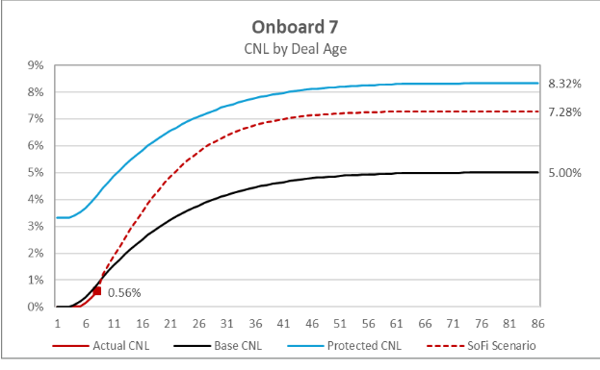
15-Apr-27 | 16 | 2.34 | 3.2900 | -0.95 | 3.790 | -1.4500 |  | 2.707 | 1.1568986569 | 3.5400 | 66% |  | 3.4 |  |  |  |  | 3.90% |  |  |  | 2.86%
15-May-27 | 17 | 2.51 | 3.6000 | -1.09 | 4.070 | -1.5600 |  | 2.907 | 1.1582242459 | 3.8350 | 65% |  | 3.4 |  |  |  |  | 4.18% |  |  |  | 3.18%
15-Jun-27 | 18 | 2.68 | 3.9000 | -1.22 | 4.340 | -1.6600 |  | 3.100 | 1.1567164179 | 4.1200 | 65% |  | 3 |  |  |  |  | 4.45% |  |  |  | 3.49%
15-Jul-27 | 19 | 2.83 | 4.1800 | -1.35 | 4.600 | -1.7700 |  | 3.286 | 1.1610297829 | 4.3900 | 64% |  | 2.8 |  |  |  | 156 | 4.70% |  |  |  | 3.79%
15-Aug-27 | 20 | 2.97 | 4.4500 | -1.48 | 4.840 | -1.8700 |  | 3.457 | 1.164021164 | 4.6450 | 64% |  | 2.8 |  |  |  | 541 | 4.93% |  |  |  | 4.07%
15-Sep-27 | 21 | 3.11 | 4.7000 | -1.59 | 5.070 | -1.9600 |  | 3.621 | 1.164446486 | 4.8850 | 64% |  | 2.6 |  |  |  |  | 5.14% |  |  |  | 4.34%
15-Oct-27 | 22 | 3.24 | 4.9300 | -1.69 | 5.280 | -2.0400 |  | 3.771 | 1.164021164 | 5.1050 | 63% |  | 2.4 |  |  |  |  | 5.33% |  |  |  | 4.60%
15-Nov-27 | 23 | 3.36 | 5.1400 | -1.78 | 5.470 | -2.1100 |  | 3.907 | 1.1628401361 | 5.3050 | 63% |  | 2.2 |  |  |  |  | 5.51% |  |  |  | 4.84%
15-Dec-27 | 24 | 3.47 | 5.3300 | -1.86 | 5.650 | -2.1800 |  | 4.036 | 1.1630300535 | 5.4900 | 63% |  | 2.2 |  |  |  |  | 5.68% |  |  |  | 5.07%
15-Jan-28 | 25 | 3.58 | 5.5100 | -1.93 | 5.810 | -2.2300 |  | 4.150 | 1.1592178771 | 5.6600 | 63% |  | 2 |  |  |  |  | 5.83% |  |  |  | 5.28%
15-Feb-28 | 26 | 3.68 | 5.6800 | -2 | 5.970 | -2.2900 |  | 4.264 | 1.1587732919 | 5.8250 | 63% |  | 1.8 |  |  |  |  | 5.97% |  |  |  | 5.47%
15-Mar-28 | 27 | 3.77 | 5.8300 | -2.06 | 6.110 | -2.3400 |  | 4.364 | 1.157635468 | 5.9700 | 63% |  | 1.8 |  |  |  |  | 6.10% |  |  |  | 5.65%
15-Apr-28 | 28 | 3.86 | 5.9700 | -2.11 | 6.240 | -2.3800 |  | 4.457 | 1.1547002221 | 6.1050 | 63% |  | 1.6 |  |  |  |  | 6.22% |  |  |  | 5.81%
15-May-28 | 29 | 3.94 | 6.1000 | -2.16 | 6.360 | -2.4200 |  | 4.543 | 1.1530094271 | 6.2300 | 63% |  | 1.6 |  |  |  |  | 6.33% |  |  |  | 5.97%
15-Jun-28 | 30 | 4.02 | 6.2200 | -2.2 | 6.460 | -2.4400 |  | 4.614 | 1.1478322672 | 6.3400 | 63% |  | 1.6 |  |  |  |  | 6.43% |  |  |  | 6.11%
15-Jul-28 | 31 | 4.1 | 6.3300 | -2.23 | 6.560 | -2.4600 |  | 4.686 | 1.1428571429 | 6.4450 | 64% |  | 1.4 |  |  |  |  | 6.51% |  |  |  | 6.24%
15-Aug-28 | 32 | 4.17 | 6.4300 | -2.26 | 6.650 | -2.4800 |  | 4.750 | 1.139088729 | 6.5400 | 64% |  | 1.2 |  | OB9 | Proposed |  | 6.60% |  |  |  | 6.36%
15-Sep-28 | 33 | 4.23 | 6.5100 | -2.28 | 6.740 | -2.5100 |  | 4.814 | 1.1381290105 | 6.6250 | 64% |  | 1.2 | Loss Protection (pts) | 2.95 | 2 |  | 6.67% |  |  |  | 6.46%
15-Oct-28 | 34 | 4.29 | 6.6000 | -2.31 | 6.810 | -2.5200 |  | 4.864 | 1.1338661339 | 6.7050 | 64% |  | 1.2 | Resid return | 16 | 18.4 |  | 6.73% |  |  |  | 6.56%
15-Nov-28 | 35 | 4.35 | 6.6700 | -2.32 | 6.880 | -2.5300 |  | 4.914 | 1.1297208539 | 6.7750 | 64% |  | 1 | PT | 116 | 115 |  | 6.79% |  |  |  | 6.65%
15-Dec-28 | 36 | 4.4 | 6.7300 | -2.33 | 6.940 | -2.5400 |  | 4.957 | 1.1266233766 | 6.8350 | 64% |  | 1 | Class B prin in whole | Y | Y |  | 6.84% |  |  |  | 6.74%
15-Jan-29 | 37 | 4.45 | 6.7900 | -2.34 | 7.000 | -2.5500 |  | 5.000 | 1.1235955056 | 6.8950 | 65% |  | 1 |  |  |  |  | 6.89% |  |  |  | 6.81%
15-Feb-29 | 38 | 4.5 | 6.8400 | -2.34 | 7.050 | -2.5500 |  | 5.036 | 1.119047619 | 6.9450 | 65% |  | 0.8 |  |  |  |  | 6.94% |  |  |  | 6.88%
15-Mar-29 | 39 | 4.54 | 6.8900 | -2.35 | 7.090 | -2.5500 |  | 5.064 | 1.1154814349 | 6.9900 | 65% |  | 0.8 |  |  |  |  | 6.98% |  |  |  | 6.94%
15-Apr-29 | 40 | 4.58 | 6.9400 | -2.36 | 7.130 | -2.5500 |  | 5.093 | 1.1119775421 | 7.0350 | 65% |  | 0.8 |  |  |  |  | 7.01% |  |  |  | 7.00%
15-May-29 | 41 | 4.62 | 6.9800 | -2.36 | 7.170 | -2.5500 |  | 5.121 | 1.1085343228 | 7.0750 | 65% |  | 0.6 |  |  |  |  | 7.04% |  |  |  | 7.05%
15-Jun-29 | 42 | 4.65 | 7.0100 | -2.36 | 7.200 | -2.5500 |  | 5.143 | 1.1059907834 | 7.1050 | 65% |  | 0.6 |  |  |  |  | 7.07% |  |  |  | 7.09%
15-Jul-29 | 43 | 4.68 | 7.0400 | -2.36 | 7.230 | -2.5500 |  | 5.164 | 1.1034798535 | 7.1350 | 66% |  | 0.6 |  |  |  |  | 7.10% |  |  |  | 7.13%
15-Aug-29 | 44 | 4.71 | 7.0700 | -2.36 | 7.260 | -2.5500 |  | 5.186 | 1.1010009099 | 7.1650 | 66% |  | 0.6 |  |  |  |  | 7.12% |  |  |  | 7.17%
15-Sep-29 | 45 | 4.74 | 7.1000 | -2.36 | 7.290 | -2.5500 |  | 5.207 | 1.0985533454 | 7.1950 | 66% |  | 0.6 |  |  |  |  | 7.14% |  |  |  | 7.20%
15-Oct-29 | 46 | 4.77 | 7.1200 | -2.35 | 7.310 | -2.5400 |  | 5.221 | 1.0946391135 | 7.2150 | 66% |  | 0.4 |  |  |  |  | 7.16% |  |  |  | 7.23%
15-Nov-29 | 47 | 4.79 | 7.1400 | -2.35 | 7.330 | -2.5400 |  | 5.236 | 1.0930509991 | 7.2350 | 66% |  | 0.4 |  |  |  |  | 7.17% |  |  |  | 7.26%
15-Dec-29 | 48 | 4.81 | 7.1600 | -2.35 | 7.340 | -2.5300 |  | 5.243 | 1.08999109 | 7.2500 | 66% |  | 0.4 |  |  |  |  | 7.19% |  |  |  | 7.29%
15-Jan-30 | 49 | 4.83 | 7.1700 | -2.34 | 7.360 | -2.5300 |  | 5.257 | 1.0884353741 | 7.2650 | 66% |  | 0.4 |  |  |  |  | 7.20% |  |  |  | 7.31%
15-Feb-30 | 50 | 4.85 | 7.1900 | -2.34 | 7.370 | -2.5200 |  | 5.264 | 1.0854197349 | 7.2800 | 67% |  | 0.2 |  |  |  |  | 7.21% |  |  |  | 7.33%
15-Mar-30 | 51 | 4.86 | 7.2000 | -2.34 | 7.380 | -2.5200 |  | 5.271 | 1.0846560847 | 7.2900 | 67% |  | 0.4 |  |  |  |  | 7.22% |  |  |  | 7.34%
15-Apr-30 | 52 | 4.88 | 7.2100 | -2.33 | 7.400 | -2.5200 |  | 5.286 | 1.0831381733 | 7.3050 | 67% |  | 0.2 |  |  |  |  | 7.23% |  |  |  | 7.36%
15-May-30 | 53 | 4.89 | 7.2200 | -2.33 | 7.410 | -2.5200 |  | 5.293 | 1.0823838738 | 7.3150 | 67% |  | 0.2 |  |  |  |  | 7.24% |  |  |  | 7.37%
 | 54 | 4.9 | 7.2300 | -2.33 | 7.410 | -2.5100 |  | 5.293 | 1.0801749271 | 7.3200 | 67% |  | 0.2 |  |  |  |  | 7.25% |  |  |  | 7.38%
 | 55 | 4.91 | 7.2400 | -2.33 | 7.420 | -2.5100 |  | 5.300 | 1.0794297352 | 7.3300 | 67% |  | 0.4 |  |  |  |  | 7.25% |  |  |  | 7.40%
 | 56 | 4.93 | 7.2500 | -2.32 | 7.430 | -2.5000 |  | 5.307 | 1.0764995653 | 7.3400 | 67% |  | 0 |  |  |  |  | 7.26% |  |  |  | 7.41%
 | 57 | 4.93 | 7.2500 | -2.32 | 7.440 | -2.5100 |  | 5.314 | 1.0779484207 | 7.3450 | 67% |  | 0.2 |  |  |  |  | 7.26% |  |  |  | 7.41%
 | 58 | 4.94 | 7.2600 | -2.32 | 7.440 | -2.5000 |  | 5.314 | 1.0757663389 | 7.3500 | 67% |  | 0.2 |  |  |  |  | 7.26% |  |  |  | 7.42%
 | 59 | 4.95 | 7.2600 | -2.31 | 7.440 | -2.4900 |  | 5.314 | 1.0735930736 | 7.3500 | 67% |  | 0.2 |  |  |  |  | 7.26% |  |  |  | 7.43%
 | 60 | 4.96 | 7.2600 | -2.3 | 7.450 | -2.4900 |  | 5.321 | 1.0728686636 | 7.3550 | 67% |  | 0 |  |  |  |  | 7.27% |  |  |  | 7.44%
 | 61 | 4.96 | 7.2600 | -2.3 | 7.450 | -2.4900 |  | 5.321 | 1.0728686636 | 7.3550 | 67% |  | 0.2 |  |  |  |  | 7.27% |  |  |  | 7.44%
 | 62 | 4.97 | 7.2700 | -2.3 | 7.450 | -2.4800 |  | 5.321 | 1.0707099741 | 7.3600 | 68% |  | 0 |  |  |  |  | 7.27% |  |  |  | 7.44%
 | 63 | 4.97 | 7.2700 | -2.3 | 7.450 | -2.4800 |  | 5.321 | 1.0707099741 | 7.3600 | 68% |  | 0 |  |  |  |  | 7.27% |  |  |  | 7.45%
 | 64 | 4.97 | 7.2700 | -2.3 | 7.450 | -2.4800 |  | 5.321 | 1.0707099741 | 7.3600 | 68% |  | 0.2 |  |  |  |  | 7.27% |  |  |  | 7.45%
 | 65 | 4.98 | 7.2700 | -2.29 | 7.460 | -2.4800 |  | 5.329 | 1.0699942628 | 7.3650 | 68% |  | 0 |  |  |  |  | 7.27% |  |  |  | 7.45%
 | 66 | 4.98 | 7.2700 | -2.29 | 7.460 | -2.4800 |  | 5.329 | 1.0699942628 | 7.3650 | 68% |  | 0 |  |  |  |  | 7.28% |  |  |  | 7.45%
 | 67 | 4.98 | 7.2700 | -2.29 | 7.460 | -2.4800 |  | 5.329 | 1.0699942628 | 7.3650 | 68% |  | 0.2 |  |  |  |  | 7.28% |  |  |  | 7.45%
 | 68 | 4.99 | 7.2800 | -2.29 | 7.460 | -2.4700 |  | 5.329 | 1.0678499857 | 7.3700 | 68% |  | 0 |  |  |  |  | 7.28% |  |  |  | 7.46%
 | 69 | 4.99 | 7.2800 | -2.29 | 7.460 | -2.4700 |  | 5.329 | 1.0678499857 | 7.3700 | 68% |  | 0 |  |  |  |  | 7.28% |  |  |  | 7.46%
 | 70 | 4.99 | 7.2800 | -2.29 | 7.460 | -2.4700 |  | 5.329 | 1.0678499857 | 7.3700 | 68% |  | 0 |  |  |  |  | 7.28% |  |  |  | 7.46%
 | 71 | 4.99 | 7.2800 | -2.29 | 7.460 | -2.4700 |  | 5.329 | 1.0678499857 | 7.3700 | 68% |  | 0 |  |  |  |  | 7.28% |  |  |  | 7.46%
 | 72 | 4.99 | 7.2800 | -2.29 | 7.460 | -2.4700 |  | 5.329 | 1.0678499857 | 7.3700 | 68% |  | 0 |  |  |  |  | 7.28% |  |  |  | 7.46%
 | 73 | 4.99 | 7.2800 | -2.29 | 7.460 | -2.4700 |  | 5.329 | 1.0678499857 | 7.3700 | 68% |  | 0.2 |  |  |  |  | 7.28% |  |  |  | 7.46%
 | 74 | 5 | 7.2800 | -2.28 | 7.460 | -2.4600 |  | 5.329 | 1.0657142857 | 7.3700 | 68% |  | 0 |  |  |  |  | 7.28% |  |  |  | 7.46%
 | 75 | 5 | 7.2800 | -2.28 | 7.460 | -2.4600 |  | 5.329 | 1.0657142857 | 7.3700 | 68% |  | 0 |  |  |  |  | 7.28% |  |  |  | 7.46%
 | 76 | 5 | 7.2800 | -2.28 | 7.460 | -2.4600 |  | 5.329 | 1.0657142857 | 7.3700 | 68% |  | 0 |  |  |  |  | 7.28% |  |  |  | 7.46%
 | 77 | 5 | 7.2800 | -2.28 | 7.460 | -2.4600 |  | 5.329 | 1.0657142857 | 7.3700 | 68% |  | 0 |  |  |  |  | 7.28% |  |  |  | 7.46%
 | 78 | 5 | 7.2800 | -2.28 | 7.470 | -2.4700 |  | 5.336 | 1.0671428571 | 7.3750 | 68% |  | 0 |  |  |  |  | 7.28% |  |  |  | 7.46%
 | 79 | 5 | 7.2800 | -2.28 | 7.470 | -2.4700 |  | 5.336 | 1.0671428571 | 7.3750 | 68% |  | 0 |  |  |  |  | 7.28% |  |  |  | 7.46%
 | 80 | 5 | 7.2800 | -2.28 | 7.470 | -2.4700 |  | 5.336 | 1.0671428571 | 7.3750 | 68% |  | 0 |  |  |  |  | 7.28% |  |  |  | 7.46%
 | 81 | 5 | 7.2800 | -2.28 | 7.470 | -2.4700 |  | 5.336 | 1.0671428571 | 7.3750 |  |  | 0 |  |  |  |  | 7.28% |  |  |  | 7.47%
 | 82 | 5 | 7.2800 | -2.28 | 7.470 | -2.4700 |  | 5.336 | 1.0671428571 | 7.3750 |  |  | 0 |  |  |  |  | 7.28% |  |  |  | 7.47%
 | 83 | 5 | 7.2800 | -2.28 | 7.470 | -2.4700 |  | 5.336 | 1.0671428571 | 7.3750 |  |  | 0 |  |  |  |  | 7.47% |  |  |  | 7.47%
 | 84 | 5 | 7.2800 | -2.28 | 7.470 | -2.4700 |  | 5.336 | 1.0671428571 | 7.3750 |  |  | 0 |  |  |  |  |  |  |  |  | 7.47%
 | 85 | 5 | 7.4700 | -2.47 | 0.000 | 5.0000 |  | 5.336 | 1.0671428571 | 3.7350 |  |  | 0 |  |  |  |  |  |  |  |  | 7.47%
 | 86 | 5 | 0.0000 | 5 | 0.000 | 5.0000 |  | 5.336 |  | 0.0000 |  |  |  |  |  |  |  |  |  |  |  | 7.47%
 |  |  |  |  |  |  |  |  |  |  |  |  |  |  |  |  |  |  |  |  |  | 7.47%

isl px model
 | SMB 2025-B
 | MV/Proceeds
 | Input |  | spread /Yield |  |  |  |  |  |  |  |  |  |  | Curr Bal |  |  | 478,134,642.46
 |  | A1A | 105 | /i |  | 383,877,561.00 |  |  |  |  |  |  |  | Factor |  |  | 1
 |  | A1B | 120 | /i |  | 68,995,305.51 |  |  |  |  |  |  |  | WAC / NWAC |  |  | 11.3802 / 11.3802
 |  | B | 130 | /i |  | 48,732,342.25 |  |  |  |  |  |  |  | WAM / WALA |  |  | 176 / 15
 |  | C | 140 | /i |  | 23,144,716.66 |  |  |  |  |  |  |  | Orig Pool Bal (incl. Pending Cap Int) |  |  | 526,482,229.84
 |  | D | 255 | /i |  | 35,929,400.44 |  |  |  |  |  |  |  | Curr Pool Bal (incl. Pending Cap Int) |  |  | 526,482,229.84
 |  | RESID | 14 | % |  | 58,714,403.17 |  |  |  |  |  |  |  | Orig Pending Capitalized Interest |  |  | 48,347,587.38
 |  | TOTAL | 6.5978 | % | net execution | 616,298,240.00 |  |  |  |  |  |  |  | Curr Pending Capitalized Interest |  |  | 48,347,587.38

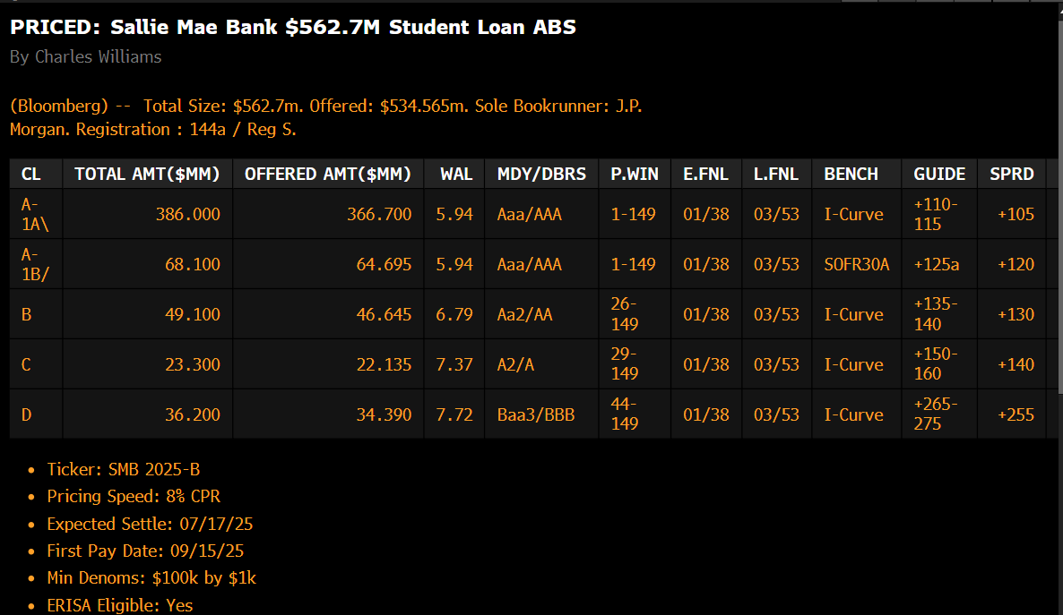
 |  |  |  |  |  |  |  |  |  |  |  |  |  | https://blinks.bloomberg.com/news/stories/SZ794ET1UM0W
 | Input
2 | MSR |  | 1.05 | % | SOFI in-house color | -

 | Input
3 | Fees |  | 0.5 | % | assumption |  | ??
 | Input
4 | Cushion |  | 0.5 | %
 |  |  |  |  |  |  | DBRS
 | Input |  |  |  |  |  | 9.1 CNL / 8 CPR/STATIC CDR
5 | Margin |  | 0 | % |  |  | 6-7 SOFI

 | Output
6 | Break even GWAC /roll up |  | 8.65 | % | gross execution

Portion | #REF! | #REF! | #REF! | #REF!
 | FULL Deferred | IO ONLY | FIXED ( $25) | FULL P & I | current WA wac | distance to the required portfolio wac
$ price at 8.4% yield | $110.00 | 100.5 | 105.9 | 91
SIZE(MM) | 150 | 46 | 85 | 88
DURATION | 5.24 | 3.99 | 5.04 | 2.34
Current wac | 12 | 11 | 10.5 | 7.5 | 10.456639566 | 1.81

adjusted required wac | 10.19 | 9.19 | 8.46 | 5.69

new WA WAC ( total portfolio) | 8.59

collat cut off on 14th
Trust gets CF on 14
servicer distribute CF ON 30TH
15 DAYS Collection of accrued int

when you uncheck box, even tho collat cut off is 14th, intex still gives you full mon pmt. |  |  |  |  |  |  | box checked, resid down , bc resid half cf
 |  |  |  |  |  |  | catch oc

checked, harder to breach the cnl
cnl 1.4 not changing but first mon loss is only half

5 | 0 | 0 | 0.00 | 0 | - | 0 | 0 | 0 | 0 | 0 | 0 | 0 | 0 | 0.001126679594 | 0.001126679594 | 0.001126679594 | 0.001126679594 | 0.001126679594 | 0.001126679594 | 0.001126679594 | 0.001126679594 | 0.001126679594 | 0.001126679594 | 0.001126679594 | 0.001126679594 | 0.001127050913 | 0.001127050913 | 0.001126679594 | 0.001126679594 | 0.001126679594 | 0.001126679594 | 0.001126679594 | 0.001126679594 | 0.001126679594 | 0.001126679594 | 0.001126679594 | 0.001126679594 | 0.001126679594 | 0.001126679594 | 0.001126679594 | 0.001126679594 | 0.001126679594 | 0.001126679594 | 0.001126679594 | 0.001126679594 | 0.001126679594 | 0.001126679594 | 0.001126679594 | 0.001126679594 | 0.001126679594 | 0.001126679594 | 0.001126679594 | 0.001127050913 | 0.001127050913 | 0.001127050913 | 0.001127050913 | 0.001127050913 | 0.001127050913 | 0.001525418759 | 0.001525418759 | 0.001525418759 | 0.001525418759 | 0.001525418759 | 0.001525418759 | 0.001525418759 | 0.001525418759 | 0.001525418759 | 0.003005445986 | 0.003005445986 | 0.003005445986
10 | 0 | 0 | 0.00 | 0 | - | 0 | 0 | 0 | 0 | 0 | 0 | 0 | 0 | 0 | 0 | 0 | 0 | 0 | 0 | 0 | 0 | 0 | 0 | 0.00266615888 | 0.00266615888 | 0.00266615888 | 0.002675376072 | 0.00266615888 | 0.00266615888 | 0.00266615888 | 0.00266615888 | 0.00266615888 | 0.00266615888 | 0.00266615888 | 0.00266615888 | 0.00266615888 | 0.004407536061 | 0.004407536061 | 0.004407536061 | 0.004407536061 | 0.004407536061 | 0.004407536061 | 0.004407536061 | 0.004407536061 | 0.004407536061 | 0.004407536061 | 0.004407536061 | 0.004407536061 | 0.004407536061 | 0.004407536061 | 0.004407536061 | 0.004407536061 | 0.004418716613 | 0.004425750876 | 0.004425750876 | 0.004425750876 | 0.004425750876 | 0.004425750876 | 0.004425750876 | 0.004425750876 | 0.00576341614 | 0.00576341614 | 0.00576341614 | 0.00576341614 | 0.00576341614 | 0.006350372356 | 0.006350372356 | 0.006350372356 | 0.006350372356 | 0.006654222134
15 | 0 | 0 | 0.00 | 0 | - | 0 | 0 | 0 | 0 | 0 | 0 | 0 | 0 | 0 | 0 | 0 | 0 | 0 | 0 | 0 | 0 | 0 | 0 | 0 | 0 | 0 | 0 | 0.001307140015 | 0.001307140015 | 0.001307140015 | 0.001307140015 | 0.001307140015 | 0.001307140015 | 0.001307140015 | 0.001307140015 | 0.001307140015 | 0.002309986499 | 0.002309986499 | 0.002309986499 | 0.002309986499 | 0.002309986499 | 0.002309986499 | 0.002309986499 | 0.002309986499 | 0.002309986499 | 0.002309986499 | 0.003369113415 | 0.003369113415 | 0.005436284695 | 0.007213333701 | 0.007213333701 | 0.007213333701 | 0.007228361996 | 0.00722973162 | 0.00722973162 | 0.00722973162 | 0.00722973162 | 0.00722973162 | 0.00722973162 | 0.00722973162 | 0.00722973162 | 0.00722973162 | 0.00722973162 | 0.00722973162 | 0.00722973162 | 0.00722973162 | 0.01036488616 | 0.01228042654 | 0.01228042654 | 0.01310462097

5 | 10 | 15 |  |  | 1.00 |  | 0
0 | 0 | 0 |  |  | 2.00 |  | 0
0 | 0 | 0 |  |  | 3.00 |  | 0
0.00 | 0.00 | 0.00 |  |  | 4.00 |  | 0
0 | 0 | 0 |  |  | 5.00 |  | 0
- | - | - |  |  | 6.00 |  | 0
0 | 0 | 0 |  |  | 7.00 |  | 0
0 | 0 | 0 |  |  | 8.00 |  | 0
0 | 0 | 0 |  |  | 9.00 |  | 0
0 | 0 | 0 |  |  | 10.00 |  | 0
0 | 0 | 0 |  |  | 11.00 |  | 0
0 | 0 | 0 |  |  | 12.00 |  | 0
0 | 0 | 0 |  |  | 13.00 |  | 0
0 | 0 | 0 |  |  | 14.00 |  | 0.050074648622
0.001126679594 | 0 | 0 |  |  | 15.00 |  | 0.050074648622
0.001126679594 | 0 | 0 |  |  | 16.00 |  | 0.050074648622
0.001126679594 | 0 | 0 |  |  | 17.00 |  | 0.050074648622
0.001126679594 | 0 | 0 |  |  | 18.00 |  | 0.050074648622
0.001126679594 | 0 | 0 |  |  | 19.00 |  | 0.050074648622
0.001126679594 | 0 | 0 |  |  | 20.00 |  | 0.050074648622
0.001126679594 | 0 | 0 |  |  | 21.00 |  | 0.050074648622
0.001126679594 | 0 | 0 |  |  | 22.00 |  | 0.050074648622
0.001126679594 | 0 | 0 |  |  | 23.00 |  | 0.050074648622
0.001126679594 | 0 | 0 |  |  | 24.00 |  | 0.093458625911
0.001126679594 | 0.00266615888 | 0 |  |  | 25.00 |  | 0.093458625911
0.001126679594 | 0.00266615888 | 0 |  |  | 26.00 |  | 0.093450374378
0.001127050913 | 0.00266615888 | 0 |  |  | 27.00 |  | 0.093860027356
0.001127050913 | 0.002675376072 | 0 |  |  | 28.00 |  | 0.064411070022
0.001126679594 | 0.00266615888 | 0.001307140015 |  |  | 29.00 |  | 0.064411070022
0.001126679594 | 0.00266615888 | 0.001307140015 |  |  | 30.00 |  | 0.064411070022
0.001126679594 | 0.00266615888 | 0.001307140015 |  |  | 31.00 |  | 0.064411070022
0.001126679594 | 0.00266615888 | 0.001307140015 |  |  | 32.00 |  | 0.064411070022
0.001126679594 | 0.00266615888 | 0.001307140015 |  |  | 33.00 |  | 0.064411070022
0.001126679594 | 0.00266615888 | 0.001307140015 |  |  | 34.00 |  | 0.064411070022
0.001126679594 | 0.00266615888 | 0.001307140015 |  |  | 35.00 |  | 0.064411070022
0.001126679594 | 0.00266615888 | 0.001307140015 |  |  | 36.00 |  | 0.064411070022
0.001126679594 | 0.00266615888 | 0.001307140015 |  |  | 37.00 |  | 0.11952013398
0.001126679594 | 0.004407536061 | 0.002309986499 |  |  | 38.00 |  | 0.11952013398
0.001126679594 | 0.004407536061 | 0.002309986499 |  |  | 39.00 |  | 0.11952013398
0.001126679594 | 0.004407536061 | 0.002309986499 |  |  | 40.00 |  | 0.11952013398
0.001126679594 | 0.004407536061 | 0.002309986499 |  |  | 41.00 |  | 0.11952013398
0.001126679594 | 0.004407536061 | 0.002309986499 |  |  | 42.00 |  | 0.11952013398
0.001126679594 | 0.004407536061 | 0.002309986499 |  |  | 43.00 |  | 0.11952013398
0.001126679594 | 0.004407536061 | 0.002309986499 |  |  | 44.00 |  | 0.11952013398
0.001126679594 | 0.004407536061 | 0.002309986499 |  |  | 45.00 |  | 0.11952013398
0.001126679594 | 0.004407536061 | 0.002309986499 |  |  | 46.00 |  | 0.11952013398
0.001126679594 | 0.004407536061 | 0.002309986499 |  |  | 47.00 |  | 0.12273978418
0.001126679594 | 0.004407536061 | 0.003369113415 |  |  | 48.00 |  | 0.12273978418
0.001126679594 | 0.004407536061 | 0.003369113415 |  |  | 49.00 |  | 0.16867692373
0.001126679594 | 0.004407536061 | 0.005436284695 |  |  | 50.00 |  | 0.20816690164
0.001126679594 | 0.004407536061 | 0.007213333701 |  |  | 51.00 |  | 0.20816690164
0.001126679594 | 0.004407536061 | 0.007213333701 |  |  | 52.00 |  | 0.20816690164
0.001126679594 | 0.004407536061 | 0.007213333701 |  |  | 53.00 |  | 0.2087328174
0.001127050913 | 0.004418716613 | 0.007228361996 |  |  | 54.00 |  | 0.20891957044
0.001127050913 | 0.004425750876 | 0.00722973162 |  |  | 55.00 |  | 0.20891957044
0.001127050913 | 0.004425750876 | 0.00722973162 |  |  | 56.00 |  | 0.20891957044
0.001127050913 | 0.004425750876 | 0.00722973162 |  |  | 57.00 |  | 0.20891957044
0.001127050913 | 0.004425750876 | 0.00722973162 |  |  | 58.00 |  | 0.20891957044
0.001127050913 | 0.004425750876 | 0.00722973162 |  |  | 59.00 |  | 0.19121433284
0.001525418759 | 0.004425750876 | 0.00722973162 |  |  | 60.00 |  | 0.19121433284
0.001525418759 | 0.004425750876 | 0.00722973162 |  |  | 61.00 |  | 0.2209402276
0.001525418759 | 0.00576341614 | 0.00722973162 |  |  | 62.00 |  | 0.2209402276
0.001525418759 | 0.00576341614 | 0.00722973162 |  |  | 63.00 |  | 0.2209402276
0.001525418759 | 0.00576341614 | 0.00722973162 |  |  | 64.00 |  | 0.2209402276
0.001525418759 | 0.00576341614 | 0.00722973162 |  |  | 65.00 |  | 0.2209402276
0.001525418759 | 0.00576341614 | 0.00722973162 |  |  | 66.00 |  | 0.23398369907
0.001525418759 | 0.006350372356 | 0.00722973162 |  |  | 67.00 |  | 0.30365379996
0.001525418759 | 0.006350372356 | 0.01036488616 |  |  | 68.00 |  | 0.33788966084
0.003005445986 | 0.006350372356 | 0.01228042654 |  |  | 69.00 |  | 0.33788966084
0.003005445986 | 0.006350372356 | 0.01228042654 |  |  | 70.00 |  | 0.36776830711
0.003005445986 | 0.006654222134 | 0.01310462097 |  |  |  |  | #NUM!

